assaignment
 |  | Question-1
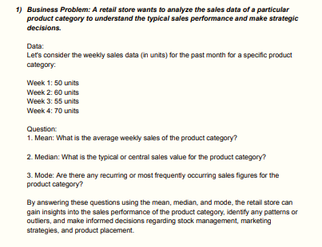

 |  |  | Questions on measure of central tendency

 | Column1 | Column2
 | week 1 | 50
 | week 2 | 60
 | week 3 | 55
 | week 4 | 70
 | AVG | 58.75
 | MEDIAN | 58.75
 | MODE | 58.75

MEAN | Average weekly sales of the product category 58.75.
MEDIAN | The typical or central sales value for the product category is 57.5.
MODE | There are No recurring or most frequently occurring sales figures for the product category.

 |  |  | Question-2

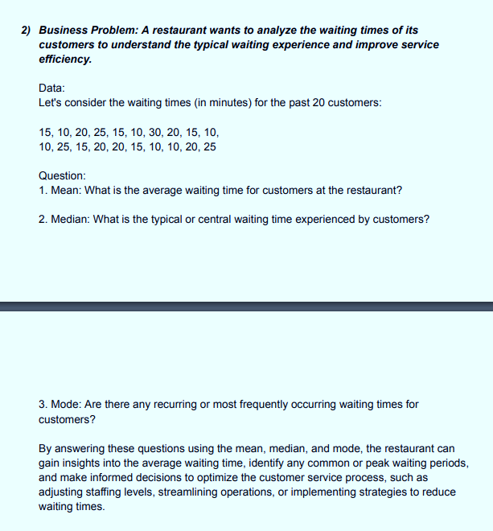
Column1 | Column2
cust 1 | 15
cust 2 | 10
cust 3 | 20
cust 4 | 25
cust 5 | 15
cust 6 | 10
cust 7 | 30
cust 8 | 20
cust 9 | 15
cust 10 | 10
cust 11 | 10
cust 12 | 25
cust 13 | 15
cust 14 | 20
cust 15 | 20
cust 16 | 15
cust 17 | 10
cust 18 | 10
cust 19 | 20
cust 20 | 25
AVG | 17 |  | 1 | The average waiting time is 17 Minutes for customers at the restaurant.
MEDIAN | 15 |  | 2 | 15 Minutes is typical or central waiting time experienced by customers.
MODE | 10 |  | 3 | Are there 10 Minutes recurring or most frequently occurring waiting times for customers

 |  |  |  |  | Question-3

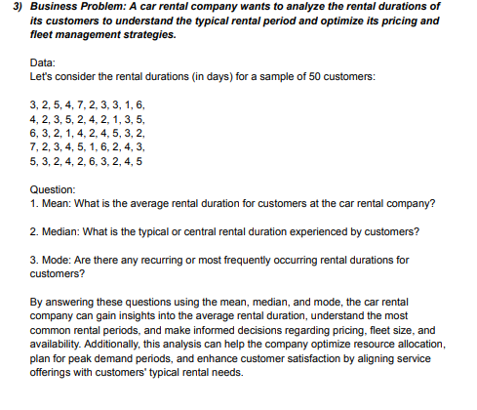
 | Column1 | Column2
 | cust 1 | 3
 | cust 2 | 2
 | cust 3 | 5
 | cust 4 | 4
 | cust 5 | 7
 | cust 6 | 2
 | cust 7 | 3
 | cust 8 | 3
 | cust 9 | 1
 | cust 10 | 6
 | cust 11 | 4
 | cust 12 | 2
 | cust 13 | 3
 | cust 14 | 5
 | cust 15 | 2
 | cust 16 | 4
 | cust 17 | 2
 | cust 18 | 1
 | cust 19 | 3
 | cust 20 | 5
 | cust 21 | 6
 | cust 22 | 3
 | cust 23 | 2
 | cust 24 | 1
 | cust 25 | 4
 | cust 26 | 2
 | cust 27 | 4
 | cust 28 | 5
 | cust 29 | 3
 | cust 30 | 2
 | cust 31 | 7
 | cust 32 | 2
 | cust 33 | 3
 | cust 34 | 4
 | cust 35 | 5
 | cust 36 | 1
 | cust 37 | 6
 | cust 38 | 2
 | cust 39 | 4
 | cust 40 | 3
 | cust 41 | 5
 | cust 42 | 3
 | cust 43 | 2
 | cust 44 | 4
 | cust 45 | 2
 | cust 46 | 6
 | cust 47 | 3
 | cust 48 | 2
 | cust 49 | 4
 | cust 50 | 5
 | AVG | 3.44
 | MEDIAN | 3
 | MODE | 2

 |  | Question-1 |  |  |  |  | Questions on measure of dispersion
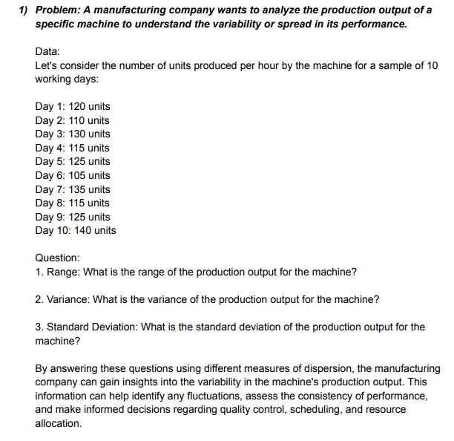

 | Column1 | Column2
 | day 1 | 120
 | day 2 | 110
 | day 3 | 130
 | day 4 | 115
 | day 5 | 125
 | day 6 | 105
 | day 7 | 135
 | day 8 | 115
 | day 9 | 125
 | day 10 | 140
 |  |  |  | 1 | The range of the production output for the machine is 35 Units.
 |  |  |  | 2 | The variance of the production output is 123.33 Units for the machine.
 | MIN- | 105 |  | 3 | The standard deviation of the production output is 11.1055 Units for the machine.
 | MAX- | 140
 | AVG- | 122
 | RANGE | MAX - MIN = 35
 | VARIANCE | 123.33333333
 | ST.DEVIATION | 11.105554166

 |  |  |  | Question-2

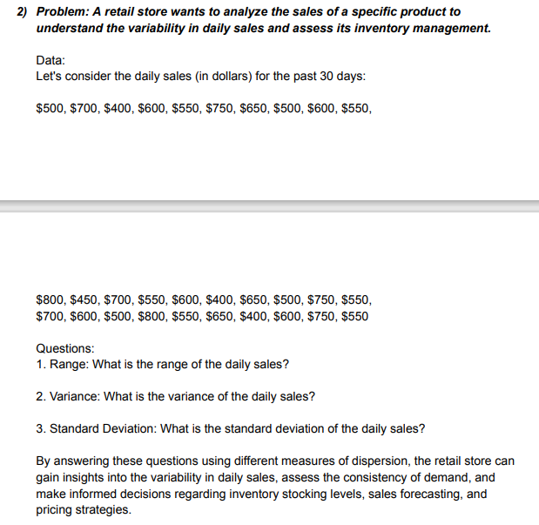
Column1 | Column2
day 1 | $500.00
day 2 | $700.00
day 3 | $400.00
day 4 | $600.00
day 5 | $550.00
day 6 | $750.00
day 7 | $650.00
day 8 | $500.00
day 9 | $600.00
day 10 | $550.00
day 11 | $800.00
day 12 | $450.00
day 13 | $700.00
day 14 | $550.00
day 15 | $600.00
day 16 | $400.00
day 17 | $650.00
day 18 | $500.00
day 19 | $750.00
day 20 | $550.00 | sum | $17,800.00
day 21 | $700.00 | max | $800.00
day 22 | $600.00 | min | $400.00
day 23 | $500.00 | avg | $593.33
day 24 | $800.00
day 25 | $550.00
day 26 | $650.00 |  |  |  | 1 | The range is $400 sales of the daily sales.
day 27 | $400.00 | RANGE | $400.00 |  | 2 | $13163.79 Sales is the variance of the daily sales.
day 28 | $600.00 | sd.deviation | 115.76829812 |  | 3 | The standard deviation of the daily sales is $114.73 Sales.
day 29 | $750.00 | variance | 13402.298851
day 30 | $500.00

 |  |  | Question-3

 | Column1 | Column2
 | day 1 | 3
 | day 2 | 5
 | day 3 | 2
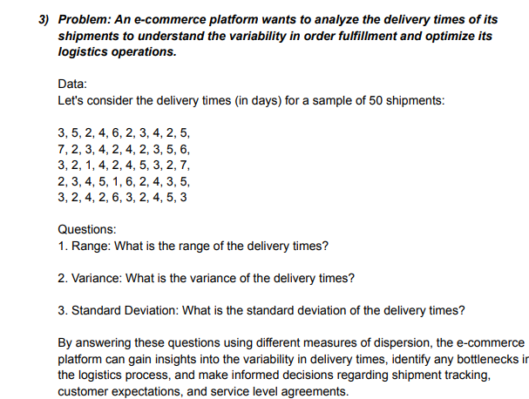
 | day 4 | 4
 | day 5 | 6
 | day 6 | 2
 | day 7 | 3
 | day 8 | 4
 | day 9 | 2
 | day 10 | 5
 | day 11 | 7
 | day 12 | 2
 | day 13 | 3
 | day 14 | 4
 | day 15 | 2 |  | sum | 176
 | day 16 | 4 |  | max | 7
 | day 17 | 2 |  | min | 1
 | day 18 | 3 |  | avg | 3.52
 | day 19 | 5 |  | range | 6
 | day 20 | 6 |  | st.deviation | 1.5285046714
 | day 21 | 3 |  | variance | 2.3363265306
 | day 22 | 2
 | day 23 | 1
 | day 24 | 4
 | day 25 | 2
 | day 26 | 4
 | day 27 | 5
 | day 28 | 3
 | day 29 | 2
 | day 30 | 7 |  | 1 | 6 delivery Days is the range of the delivery times
 | day 31 | 2 |  | 2 | 2.336 Delivery Days is the variance of the delivery times
 | day 32 | 3 |  | 3 | 1.528 Delivey Days is the standard deviation of the delivery times
 | day 33 | 4
 | day 34 | 5
 | day 35 | 1
 | day 36 | 6
 | day 37 | 2
 | day 38 | 4
 | day 39 | 3
 | day 40 | 5
 | day 41 | 3
 | day 42 | 2
 | day 43 | 4
 | day 44 | 2
 | day 45 | 6
 | day 46 | 3
 | day 47 | 2
 | day 48 | 4
 | day 49 | 5
 | day 50 | 3

 |  |  |  |  | Question- 4
 |  |  |  |  |  |  |  | let's consider the monthly revanue (in thousand of dollors) for the past 12 months

data:

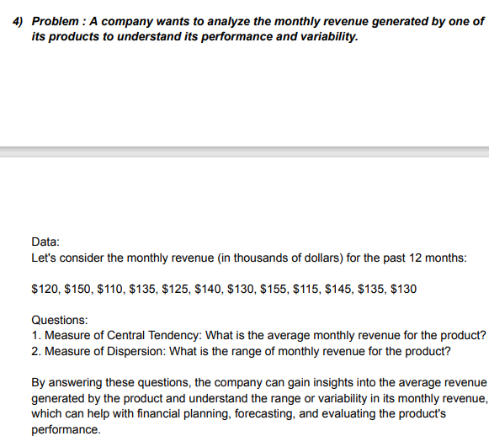
 | Column1 | Column2
 | month 1 | $120
 | month 2 | $150
 | month 3 | $110
 | month 4 | $135 |  | sum | $1,590
 | month 5 | $125 |  | max | 155
 | month 6 | $140 |  | min | 110
 | month 7 | $130 |  | avg | 132.5
 | month 8 | $155 |  | range | 45
 | month 9 | $115
 | month 10 | $145
 | month 11 | $135
 | month 12 | $130

 |  | 1 | $ 132.50 is the average monthly revenue for the product.
 |  | 2 | $ 45 is the range of monthly revenue for the product.

 |  |  |  | Question- 5

DATA | let's consider the satisfaction rating from 50 customers

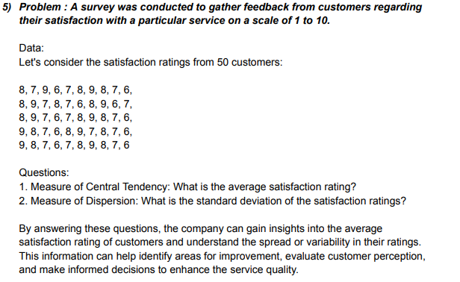
 | cust 1 | 8
 | cust 2 | 7
 | cust 3 | 9
 | cust 4 | 6
 | cust 5 | 7
 | cust 6 | 8
 | cust 7 | 9
 | cust 8 | 8
 | cust 9 | 7
 | cust 10 | 6
 | cust 11 | 8
 | cust 12 | 9
 | cust 13 | 7
 | cust 14 | 8
 | cust 15 | 7
 | cust 16 | 6
 | cust 17 | 8
 | cust 18 | 9
 | cust 19 | 6
 | cust 20 | 7
 | cust 21 | 8
 | cust 22 | 9
 | cust 23 | 7
 | cust 24 | 6
 | cust 25 | 7
 | cust 26 | 8
 | cust 27 | 9
 | cust 28 | 8
 | cust 29 | 7
 | cust 30 | 6
 | cust 31 | 9
 | cust 32 | 8
 | cust 33 | 7 |  | 1 | 7.50 Rating is the average satisfaction rating.
 | cust 34 | 6 |  | 2 | 1.035 Rating is the standard deviation of the satisfaction ratings.
 | cust 35 | 8
 | cust 36 | 9
 | cust 37 | 7
 | cust 38 | 8
 | cust 39 | 7
 | cust 40 | 6
 | cust 41 | 9
 | cust 42 | 8
 | cust 43 | 7
 | cust 44 | 6
 | cust 45 | 7
 | cust 46 | 8 | sum | 375
 | cust 47 | 9 | max | 9
 | cust 48 | 8 | min | 6
 | cust 49 | 7 | avg | 7.5
 | cust 50 | 6 | st.dev | 1.035098339

 |  |  |  |  | Question-6

DATA | Let's consider the wait times (in minutes) for a sample of 100 randomly selected customer calls

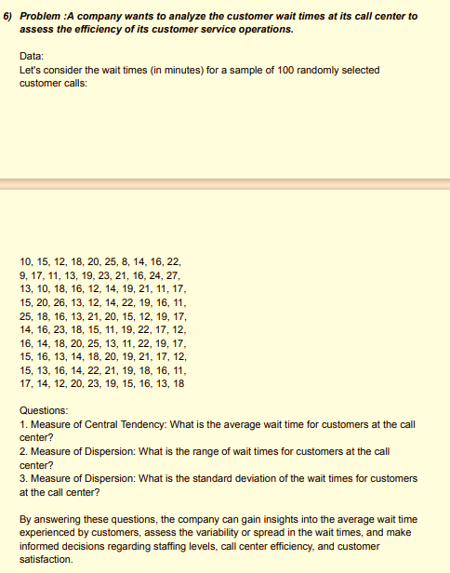
 | customer | wait times in min
 | cust 1 | 10
 | cust 2 | 15
 | cust 3 | 12
 | cust 4 | 18
 | cust 5 | 20
 | cust 6 | 25
 | cust 7 | 8
 | cust 8 | 14
 | cust 9 | 16
 | cust 10 | 22
 | cust 11 | 9
 | cust 12 | 17
 | cust 13 | 11
 | cust 14 | 13
 | cust 15 | 19
 | cust 16 | 23
 | cust 17 | 21
 | cust 18 | 16
 | cust 19 | 24
 | cust 20 | 27
 | cust 21 | 13
 | cust 22 | 10
 | cust 23 | 18
 | cust 24 | 16
 | cust 25 | 12
 | cust 26 | 14
 | cust 27 | 19
 | cust 28 | 21
 | cust 29 | 11
 | cust 30 | 17
 | cust 31 | 15
 | cust 32 | 20
 | cust 33 | 26
 | cust 34 | 13
 | cust 35 | 12
 | cust 36 | 14
 | cust 37 | 22
 | cust 38 | 19
 | cust 39 | 16
 | cust 40 | 11
 | cust 41 | 25
 | cust 42 | 18
 | cust 43 | 16
 | cust 44 | 13
 | cust 45 | 21
 | cust 46 | 20
 | cust 47 | 15
 | cust 48 | 12
 | cust 49 | 19
 | cust 50 | 17
 | cust 51 | 14
 | cust 52 | 16
 | cust 53 | 23
 | cust 54 | 18
 | cust 55 | 15
 | cust 56 | 11
 | cust 57 | 19
 | cust 58 | 22
 | cust 59 | 17
 | cust 60 | 12
 | cust 61 | 16
 | cust 62 | 14
 | cust 63 | 18
 | cust 64 | 20
 | cust 65 | 25
 | cust 66 | 13
 | cust 67 | 11
 | cust 68 | 22 |  | sum | 1674
 | cust 69 | 19 |  | max | 27
 | cust 70 | 17 |  | min | 8
 | cust 71 | 15 |  | Average | 16.74
 | cust 72 | 16 |  | Range | 19
 | cust 73 | 13 |  | ST.dev | 4.1429506881
 | cust 74 | 14
 | cust 75 | 18
 | cust 76 | 20
 | cust 77 | 19
 | cust 78 | 21
 | cust 79 | 17
 | cust 80 | 12
 | cust 81 | 15
 | cust 82 | 13
 | cust 83 | 16 |  | 1 | 16.74 Minutes is the average wait time for customers at the call center.
 | cust 84 | 14 |  | 2 | 19 Minutes is the range of wait times for customers at the call center.
 | cust 85 | 22 |  | 3 | 4.14 Minutes is the standard deviation of the wait times for customers at the call center
 | cust 86 | 21
 | cust 87 | 19
 | cust 88 | 18
 | cust 89 | 16
 | cust 90 | 11
 | cust 91 | 17
 | cust 92 | 14
 | cust 93 | 12
 | cust 94 | 20
 | cust 95 | 23
 | cust 96 | 19
 | cust 97 | 15
 | cust 98 | 16
 | cust 99 | 13
 | cust 100 | 18

 |  |  |  |  | Question - 7

let's consider the fuel efficiency (in miles per gallon,mpg) for a sample of 50 vehicles
DATA
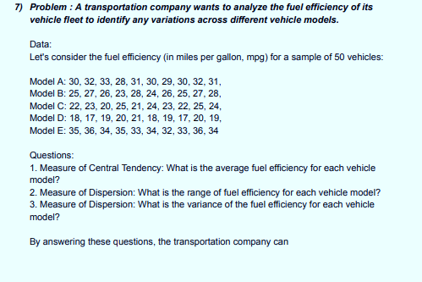
 | MODEL A | MODEL B | MODEL C | MODEL D | MODEL E |  | A | B | C | D | E
 | 30 | 25 | 22 | 18 | 35 |  | 28 | 23 | 20 | 17 | 32
 | 32 | 27 | 23 | 17 | 36 |  | MAX | MAX | MAX | MAX | MAX
 | 33 | 26 | 20 | 19 | 34 |  | 33 | 28 | 25 | 21 | 36
 | 28 | 23 | 25 | 20 | 35 |  | AVG | AVG | AVG | AVG | AVG
 | 31 | 28 | 21 | 21 | 33 |  | 30.6 | 25.9 | 22.9 | 18.8 | 34.2
 | 30 | 24 | 24 | 18 | 34 |  | RANGE | RANGE | RANGE | RANGE | RANGE
 | 29 | 26 | 23 | 19 | 32 |  | 5 | 5 | 5 | 4 | 4
 | 30 | 25 | 22 | 17 | 33 |  | VARIANCE | VARIANCE | VARIANCE | VARIANCE | VARIANCE
 | 32 | 27 | 25 | 20 | 36 |  | 2.2666666667 | 2.7666666667 | 2.7666666667 | 1.7333333333 | 1.7333333333
 | 31 | 28 | 24 | 19 | 34

 |  |  |  |  | Question - 8

DATA | let's consider the ages of 100 employees

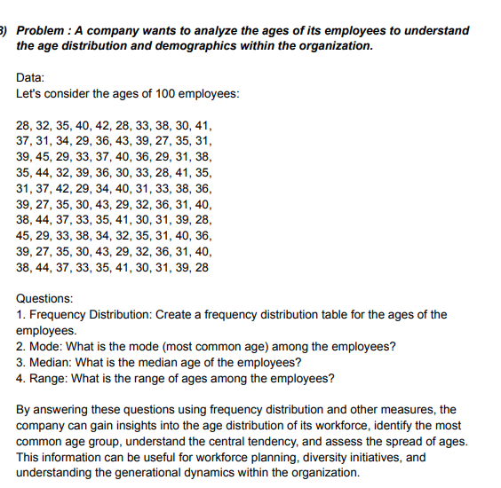
EMP | AGES
emp 1 | 28
emp 2 | 32
emp 3 | 35
emp 4 | 40
emp 5 | 42
emp 6 | 28
emp 7 | 33
emp 8 | 38
emp 9 | 30
emp 10 | 41
emp 11 | 37
emp 12 | 31
emp 13 | 34
emp 14 | 29
emp 15 | 36
emp 16 | 43
emp 17 | 39
emp 18 | 27
emp 19 | 35
emp 20 | 31
emp 21 | 39
emp 22 | 45
emp 23 | 29
emp 24 | 33
emp 25 | 37
emp 26 | 40
emp 27 | 36
emp 28 | 29
emp 29 | 31
emp 30 | 38
emp 31 | 35
emp 32 | 44
emp 33 | 32
emp 34 | 39
emp 35 | 36
emp 36 | 30
emp 37 | 33
emp 38 | 28
emp 39 | 41
emp 40 | 35
emp 41 | 31
emp 42 | 37
emp 43 | 42
emp 44 | 29
emp 45 | 34
emp 46 | 40
emp 47 | 31
emp 48 | 33
emp 49 | 38
emp 50 | 36
emp 51 | 39
emp 52 | 27
emp 53 | 35
emp 54 | 30
emp 55 | 43
emp 56 | 29
emp 57 | 32
emp 58 | 36
emp 59 | 31
emp 60 | 40
emp 61 | 38
emp 62 | 44
emp 63 | 37
emp 64 | 33
emp 65 | 35
emp 66 | 41
emp 67 | 30
emp 68 | 31
emp 69 | 39
emp 70 | 28
emp 71 | 45
emp 72 | 29
emp 73 | 33
emp 74 | 38
emp 75 | 34
emp 76 | 32
emp 77 | 35
emp 78 | 41
emp 79 | 40
emp 80 | 36
emp 81 | 39
emp 82 | 27
emp 83 | 35
emp 84 | 30
emp 85 | 43
emp 86 | 29
emp 87 | 32
emp 88 | 36
emp 89 | 31
emp 90 | 40
emp 91 | 38
emp 92 | 44
emp 93 | 37
emp 94 | 33
emp 95 | 35
emp 96 | 41
emp 97 | 30
emp 98 | 31
emp 99 | 39
emp 100 | 28
 |  | sum | 3509 | FREQUENCY DISTRIBUTION TABLE
 |  | max | 45
 |  | min | 27 | AGES RANGE | frequency
 |  | avg | 35.09 | 21-30 | 21
 |  | median | 35 | 31-40 | 64
 |  | range | 18 | 41-50 | 15
 |  | mode | 35

 |  |  |  |  |  |  | Question - 9
DATA | let's consider the purchase amounts ( in dollors) for a sample of 50 customers

 | customers | purchase amounts in $ |  | Ans-1 | frequency dis-table |  |  |  | max | 73 |  | Ans-4 | Q1 | 42.25
 |  |  |  |  |  |  |  |  | min | 28 |  |  | Q3 | 58
 | cust 1 | 56 |  |  | 21-30 | 1 |  |  | avg | 50.7 |  |  | I.Q.R=Q3-Q1 | 15.75
 | cust 2 | 40 |  |  | 31-40 | 8 |  | Ans-2 | mode | 40
 | cust 3 | 28 |  |  | 41-50 | 16 |  | Ans-3 | median | 50
 | cust 4 | 73 |  |  | 51-60 | 16
 | cust 5 | 52 |  |  | 61-70 | 8
 | cust 6 | 61 |  |  | 71-80 | 1
 | cust 7 | 35
 | cust 8 | 40
 | cust 9 | 47
 | cust 10 | 65
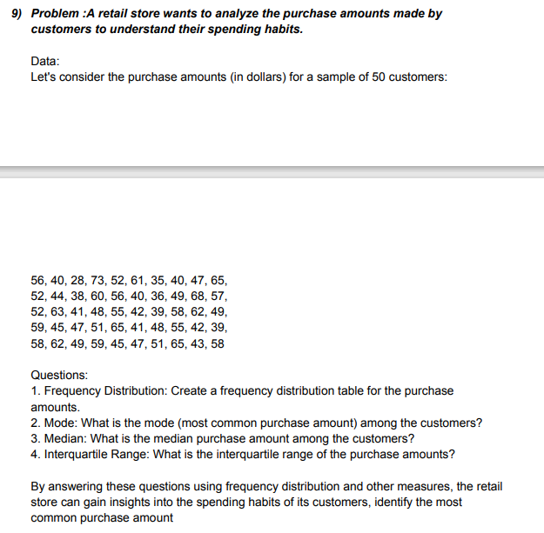
 | cust 11 | 52
 | cust 12 | 44
 | cust 13 | 38
 | cust 14 | 60
 | cust 15 | 56
 | cust 16 | 40
 | cust 17 | 36
 | cust 18 | 49
 | cust 19 | 68
 | cust 20 | 57
 | cust 21 | 52
 | cust 22 | 63
 | cust 23 | 41
 | cust 24 | 48
 | cust 25 | 55
 | cust 26 | 42
 | cust 27 | 39
 | cust 28 | 58
 | cust 29 | 62
 | cust 30 | 49
 | cust 31 | 59
 | cust 32 | 45
 | cust 33 | 47
 | cust 34 | 51
 | cust 35 | 65
 | cust 36 | 41
 | cust 37 | 48
 | cust 38 | 55
 | cust 39 | 42
 | cust 40 | 39
 | cust 41 | 58
 | cust 42 | 62
 | cust 43 | 49
 | cust 44 | 59
 | cust 45 | 45
 | cust 46 | 47
 | cust 47 | 51
 | cust 48 | 65
 | cust 49 | 43
 | cust 50 | 58

 |  |  |  |  | Question-10

DATA | Let's consider the types of defects and their corresponding frequencies observed in a sample of 200 products

 | 28.571428571
 | 28.333333333
 | 26
 | 27.5
 | 33.333333333
 | 27.5
 | 30
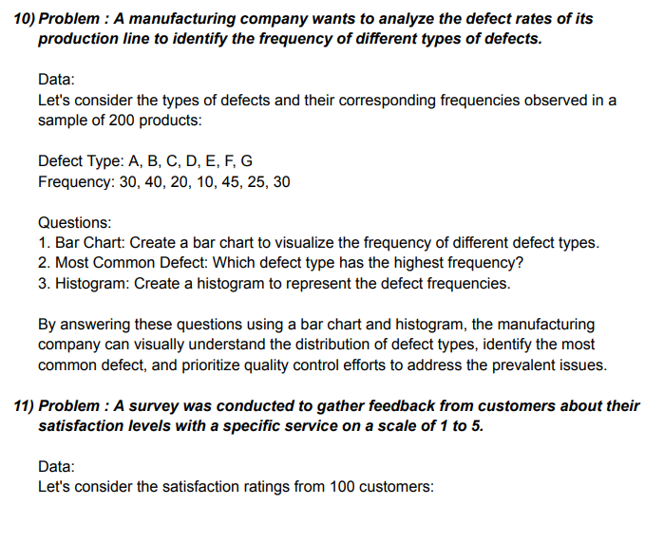

 | defect type | frequency
 | a | 30
 | b | 40
 | c | 20
 | d | 10
 | e | 45
 | f | 25
 | g | 30

 | AVG | 28.571428571
 | AVG | 28.333333333
 | AVG | 26
 | AVG | 27.5
 | AVG | 33.333333333
 | AVG | 27.5
 | AVG | 30

 | MODE | 30

 |  |  |  | Question - 11

DATA | Let's cosider the satiafiction rating from 100 customers

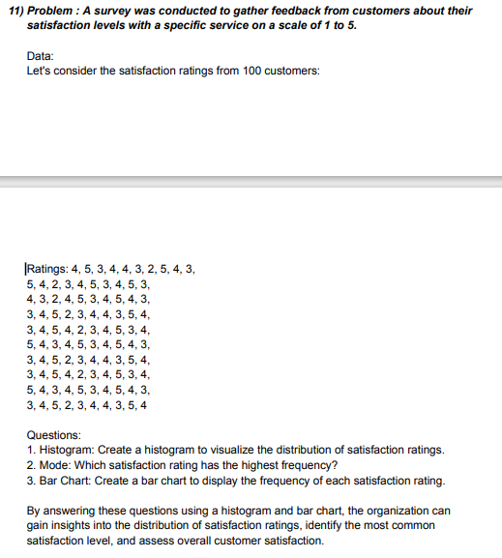
 | CUSTOMERS | RATING |  | AVG rating by each customer | Column1
 | cust 1 | 4 |  | rating 1 | 3.74
 | cust 2 | 5 |  | rating 2 | 3.7373737374
 | cust 3 | 3 |  | rating 3 | 3.7244897959
 | cust 4 | 4 |  | rating 4 | 3.7319587629
 | cust 5 | 4 |  | rating 5 | 3.7291666667
 | cust 6 | 3 |  | rating 6 | 3.7263157895
 | cust 7 | 2 |  | rating 7 | 3.7340425532
 | cust 8 | 5 |  | rating 8 | 3.752688172
 | cust 9 | 4 |  | rating 9 | 3.7391304348
 | cust 10 | 3 |  | rating 10 | 3.7362637363
 | cust 11 | 5 |  | rating 11 | 3.7444444444
 | cust 12 | 4 |  | rating 12 | 3.7303370787
 | cust 13 | 2 |  | rating 13 | 3.7272727273
 | cust 14 | 3 |  | rating 14 | 3.7471264368
 | cust 15 | 4 |  | rating 15 | 3.7558139535
 | cust 16 | 5 |  | rating 16 | 3.7529411765
 | cust 17 | 3 |  | rating 17 | 4.1058823529
 | cust 18 | 4 |  | rating 18 | 4.4
BAR CHART
 | 3.74
 | 3.7373737374
 | 3.7246464646
 | 3.7448484848
 | 3.7246464646
 | 3.7246464646
 | 3.7320408163
 | 3.7498969072
 | 3.736875
 | 3.7341052632
 | 3.7419148936
 | 3.7283870968
 | 3.7254347826
 | 3.7443956044
 | 3.7526666667
 | 3.7498876404
 | 4.0869662921
 | 4.3678651685
 | 4.6824719101
 | 5.1319101124
 | 5.5251685393
 | 5.8060674157
 | 6.2442696629
 | 6.5588764045
 | 6.9184269663
 | 7.3229213483
 | 7.8173033708
 | 8.1206741573
 | 8.5026966292
 | 8.9408988764
 | 9.3229213483
 | 9.6262921348
 | 9.9633707865
 | 10.345393258
 | 10.63752809
 | 10.974606742
 | 11.334157303
 | 11.74988764
 | 12.165617978
 | 12.446516854
 | 12.761123596
 | 13.221797753
 | 13.59258427
 | 13.918426966
 | 14.356629213
 | 14.716179775
 | 15.086966292
 | 15.412808989
 | 15.895955056
 | 16.188089888
...
 | cust 19 | 5 |  | rating 19 | 4.7294117647
 | cust 20 | 3 |  | rating 20 | 5.2
 | cust 21 | 4 |  | rating 21 | 5.6117647059
 | cust 22 | 3 |  | rating 22 | 5.9058823529
 | cust 23 | 2 |  | rating 23 | 6.3647058824
 | cust 24 | 4 |  | rating 24 | 6.6941176471
 | cust 25 | 5 |  | rating 25 | 7.0705882353
 | cust 26 | 3 |  | rating 26 | 7.4941176471
 | cust 27 | 4 |  | rating 27 | 8.0117647059
 | cust 28 | 5 |  | rating 28 | 8.3294117647
 | cust 29 | 4 |  | rating 29 | 8.7294117647
 | cust 30 | 3 |  | rating 30 | 9.1882352941
 | cust 31 | 3 |  | rating 31 | 9.5882352941
 | cust 32 | 4 |  | rating 32 | 9.9058823529
 | cust 33 | 5 |  | rating 33 | 10.258823529
 | cust 34 | 2 |  | rating 34 | 10.658823529
 | cust 35 | 3 |  | rating 35 | 10.964705882
 | cust 36 | 4 |  | rating 36 | 11.317647059
 | cust 37 | 3 |  | rating 37 | 11.694117647
 | cust 38 | 5 |  | rating 38 | 12.129411765
 | cust 39 | 4 |  | rating 39 | 12.564705882
 | cust 40 | 3 |  | rating 40 | 12.858823529
 | cust 41 | 4 |  | rating 41 | 13.188235294
 | cust 42 | 5 |  | rating 42 | 13.670588235
 | cust 43 | 4 |  | rating 43 | 14.058823529
 | cust 44 | 2 |  | rating 44 | 14.4
 | cust 45 | 3 |  | rating 45 | 14.858823529
 | cust 46 | 4 |  | rating 46 | 15.235294118
 | cust 47 | 5 |  | rating 47 | 15.623529412 |  | AVG | 3.74
 | cust 48 | 3 |  | rating 48 | 15.964705882 |  | MAX | 5
 | cust 49 | 4 |  | rating 49 | 16.470588235 |  | MIN | 2
 | cust 50 | 5 |  | rating 50 | 16.776470588 |  | MODE | 4
 | cust 51 | 4 |  | rating 51 | 17.176470588
 | cust 52 | 3 |  | rating 52 | 17.635294118
 | cust 53 | 4 |  | rating 53 | 17.929411765
 | cust 54 | 5 |  | rating 54 | 18.258823529
 | cust 55 | 3 |  | rating 55 | 18.623529412
 | cust 56 | 4 |  | rating 56 | 18.929411765
 | cust 57 | 5 |  | rating 57 | 19.247058824
 | cust 58 | 4 |  | rating 58 | 19.623529412
 | cust 59 | 3 |  | rating 59 | 20.047058824
 | cust 60 | 3 |  | rating 60 | 20.505882353
 | cust 61 | 4 |  | rating 61 | 20.858823529
 | cust 62 | 5 |  | rating 62 | 21.270588235
 | cust 63 | 2 |  | rating 63 | 21.541176471
 | cust 64 | 3 |  | rating 64 | 21.929411765
 | cust 65 | 4 |  | rating 65 | 22.341176471
 | cust 66 | 4 |  | rating 66 | 22.8
 | cust 67 | 3 |  | rating 67 | 23.023809524
 | cust 68 | 3 |  | rating 68 | 23.265060241
 | cust 69 | 4 |  | rating 69 | 23.512195122
 | cust 70 | 5 |  | rating 70 | 23.75308642
 | cust 71 | 2 |  | rating 71 | 23.9875
 | cust 72 | 3 |  | rating 72 | 24.265822785
 | cust 73 | 4 |  | rating 73 | 24.538461538
 | cust 74 | 4 |  | rating 74 | 24.805194805
 | cust 75 | 3 |  | rating 75 | 25.078947368
 | cust 76 | 5 |  | rating 76 | 25.373333333
 | cust 77 | 4 |  | rating 77 | 25.648648649
 | cust 78 | 3 |  | rating 78 | 25.945205479
 | cust 79 | 4 |  | rating 79 | 27.616438356
 | cust 80 | 5 |  | rating 80 | 29.589041096
 | cust 81 | 4 |  | rating 81 | 31.397260274
 | cust 82 | 2 |  | rating 82 | 32.98630137
 | cust 83 | 3 |  | rating 83 | 34.808219178
 | cust 84 | 4 |  | rating 84 | 36.575342466
 | cust 85 | 5 |  | rating 85 | 38.506849315
 | cust 86 | 5 |  | rating 86 | 40.109589041
 | cust 87 | 3 |  | rating 87 | 41.821917808
 | cust 88 | 4 |  | rating 88 | 43.712328767
 | cust 89 | 5 |  | rating 89 | 45.273972603
 | cust 90 | 4 |  | rating 90 | 46.917808219
 | cust 91 | 3 |  | rating 91 | 48.671232877
 | cust 92 | 3 |  | rating 92 | 50.493150685
 | cust 93 | 4 |  | rating 93 | 52.205479452
 | cust 94 | 5 |  | rating 94 | 53.835616438
 | cust 95 | 2 |  | rating 95 | 55.575342466
 | cust 96 | 3 |  | rating 96 | 57.438356164
 | cust 97 | 4 |  | rating 97 | 59.123287671
 | cust 98 | 4 |  | rating 98 | 60.835616438
 | cust 99 | 3 |  | rating 99 | 62.643835616
 | cust 100 | 5 |  | rating 100 | 64.342465753

 |  |  |  |  |  |  | Question - 12

DATA | Let's consider the monthly sales figures (in thousands of dollars) for a sample of 50 products

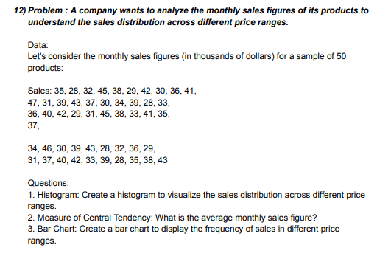
 | products | monthly sales | products2 | products avg
 | product 1 | 35 | product 1 | 36.14
 | product 2 | 28 | product 2 | 36.163265306
 | product 3 | 32 | product 3 | 36.333333333
 | product 4 | 45 | product 4 | 36.425531915
 | product 5 | 38 | product 5 | 36.239130435
 | product 6 | 29 | product 6 | 36.2
 | product 7 | 42 | product 7 | 36.363636364
 | product 8 | 30 | product 8 | 36.23255814
 | product 9 | 36 | product 9 | 36.380952381
 | product 10 | 41 | product 10 | 36.390243902
 | product 11 | 47 | product 11 | 36.275
 | product 12 | 31 | product 12 | 36
 | product 13 | 39 | product 13 | 36.131578947
 | product 14 | 43 | product 14 | 38.394736842
 | product 15 | 37 | product 15 | 41.157894737
 | product 16 | 30 | product 16 | 43.789473684
 | product 17 | 34 | product 17 | 46.157894737
BAR CHART
 | 36.14
 | 36.163265306
 | 36.329387755
 | 36.419583333
 | 36.237021277
 | 36.198695652
 | 36.358666667
 | 36.230454545
 | 36.375348837
 | 36.384285714
 | 36.271707317
 | 36.0035
 | 36.131794872
 | 38.336923077
 | 41.029230769
 | 43.593333333
 | 45.901025641
 | 48.490769231
 | 50.875384615
 | 53.875384615
 | 56.157435897
 | 58.567692308
 | 61.157435897
 | 63.106153846
 | 65.567692308
 | 68.157435897
 | 70.490769231
 | 72.798461538
 | 75.106153846
 | 77.439487179
 | 80.080512821
 | 82.362564103
 | 84.798461538
 | 87.106153846
 | 89.593333333
 | 91.926666667
 | 93.952307692
 | 96.439487179
 | 99.029230769
 | 101.69589744
 | 104.18307692
 | 106.79846154
 | 109.31128205
 | 111.61897436
 | 113.97794872
 | 116.74717949
 | 118.79846154
 | 121.28564103
 | 123.74717949
 | 126.26
 | product 18 | 39 | product 18 | 48.815789474
 | product 19 | 28 | product 19 | 51.263157895
 | product 20 | 33 | product 20 | 54.342105263
 | product 21 | 36 | product 21 | 56.684210526
 | product 22 | 40 | product 22 | 59.157894737
 | product 23 | 42 | product 23 | 61.815789474
 | product 24 | 29 | product 24 | 63.815789474
 | product 25 | 31 | product 25 | 66.342105263
 | product 26 | 45 | product 26 | 69
 | product 27 | 38 | product 27 | 71.394736842
 | product 28 | 33 | product 28 | 73.763157895
 | product 29 | 41 | product 29 | 76.131578947
 | product 30 | 35 | product 30 | 78.526315789
 | product 31 | 37 | product 31 | 81.236842105
 | product 32 | 34 | product 32 | 83.578947368
 | product 33 | 46 | product 33 | 86.078947368
 | product 34 | 30 | product 34 | 88.447368421
 | product 35 | 39 | product 35 | 91
 | product 36 | 43 | product 36 | 93.394736842
 | product 37 | 28 | product 37 | 95.473684211
 | product 38 | 32 | product 38 | 98.026315789
 | product 39 | 36 | product 39 | 100.68421053
 | product 40 | 29 | product 40 | 103.42105263
 | product 41 | 31 | product 41 | 105.97368421
 | product 42 | 37 | product 42 | 108.65789474
 | product 43 | 40 | product 43 | 111.23684211
 | product 44 | 42 | product 44 | 113.60526316
 | product 45 | 33 | product 45 | 116.02631579
 | product 46 | 39 | product 46 | 118.86842105
 | product 47 | 28 | product 47 | 120.97368421 | AVG | 36.14
 | product 48 | 35 | product 48 | 123.52631579
 | product 49 | 38 | product 49 | 126.05263158
 | product 50 | 43 | product 50 | 128.63157895

 |  |  |  | Question- 13

DATA | Let's consider the response times (in milliseconds) for a sample of 200 user requests

bar chart
 | 130.5
 | 130.55555556
 | 130.37755102
 | 130.30927835
 | 130.41666667
 | 130.36842105
 | 130.35106383
 | 130.19354839
 | 130.2826087
 | 130.28571429
 | 130.16666667
 | 129.3
 | 128.34444444
 | 127.34444444
 | 126.28888889
 | 125.28888889
 | 124.4
 | 123.43333333
 | 122.38888889
 | 121.44444444
 | 120.42222222
 | 120.24719101
 | 119.28089888
 | 119.15909091
 | 119.12643678
 | 117.71933321
 | 117.54165103
 | 117.27743516
 | 115.87351359
 | 115.66962685
 | 115.43673079
 | 115.25912995
 | 115.02776118
 | 114.70310819
 | 114.64871716
 | 114.5160084
 | 114.30193059
 | 114.01642968
 | 113.82998207
 | 113.6925494
 | 113.4417624
 | 113.12845355
 | 112.93307966
 | 112.68926651
 | 112.55432834
 | 112.37130376
 | 111.0036567
 | 109.60659788
 | 108.48895082
 | 107.34189199
...
 | USER REQUESTS | TIMES IN M.S |  | USERS | AVG REQUESTS TIME in (m.sec)
 | USER 1 | 125 |  | USER 1 | 130.5
 | USER 2 | 148 |  | USER 2 | 130.55555556
 | USER 3 | 137 |  | USER 3 | 130.37755102
 | USER 4 | 120 |  | USER 4 | 130.30927835
 | USER 5 | 135 |  | USER 5 | 130.41666667
 | USER 6 | 132 |  | USER 6 | 130.36842105
 | USER 7 | 145 |  | USER 7 | 130.35106383
 | USER 8 | 122 |  | USER 8 | 130.19354839
 | USER 9 | 130 |  | USER 9 | 130.2826087
 | USER 10 | 141 |  | USER 10 | 130.28571429
 | USER 11 | 118 |  | USER 11 | 130.16666667
 | USER 12 | 125 |  | USER 12 | 129.3
 | USER 13 | 132 |  | USER 13 | 128.34444444
 | USER 14 | 136 |  | USER 14 | 127.34444444
 | USER 15 | 128 |  | USER 15 | 126.28888889
users
 | USER 16 | 123 |  | USER 16 | 125.28888889
 | USER 17 | 132 |  | USER 17 | 124.4
 | USER 18 | 138 |  | USER 18 | 123.43333333
 | USER 19 | 126 |  | USER 19 | 122.38888889
 | USER 20 | 129 |  | USER 20 | 121.44444444
 | USER 21 | 136 |  | USER 21 | 120.42222222
 | USER 22 | 127 |  | USER 22 | 120.24719101
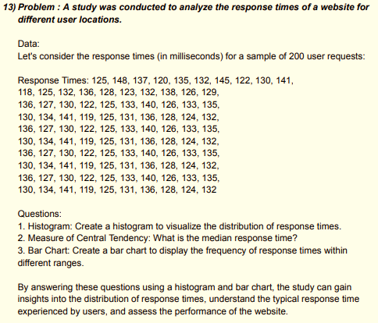
 | USER 23 | 130 |  | USER 23 | 119.28089888
 | USER 24 | 122 |  | USER 24 | 119.15909091
 | USER 25 | 125 |  | USER 25 | 119.12643678
 | USER 26 | 133 |  | USER 26 | 117.71933321
 | USER 27 | 140 |  | USER 27 | 117.54165103
 | USER 28 | 126 |  | USER 28 | 117.27743516
 | USER 29 | 133 |  | USER 29 | 115.87351359
 | USER 30 | 135 |  | USER 30 | 115.66962685
 | USER 31 | 130 |  | USER 31 | 119.1375
 | USER 32 | 134 |  | USER 32 | 115.25912995
 | USER 33 | 141 |  | USER 33 | 115.02776118
 | USER 34 | 119 |  | USER 34 | 114.70310819
 | USER 35 | 125 |  | USER 35 | 114.64871716
 | USER 36 | 131 |  | USER 36 | 114.5160084
 | USER 37 | 136 |  | USER 37 | 114.30193059
 | USER 38 | 128 |  | USER 38 | 114.01642968
 | USER 39 | 124 |  | USER 39 | 113.82998207
 | USER 40 | 132 |  | USER 40 | 113.6925494
 | USER 41 | 136 |  | USER 41 | 113.4417624
 | USER 42 | 127 |  | USER 42 | 113.12845355
 | USER 43 | 130 |  | USER 43 | 112.93307966
 | USER 44 | 122 |  | USER 44 | 112.68926651
 | USER 45 | 125 |  | USER 45 | 112.55432834
 | USER 46 | 133 |  | USER 46 | 112.37130376
 | USER 47 | 140 |  | USER 47 | 111.0036567
 | USER 48 | 126 |  | USER 48 | 109.60659788
 | USER 49 | 133 |  | USER 49 | 108.48895082
 | USER 50 | 135 |  | USER 50 | 107.34189199
 | USER 51 | 130 |  | USER 51 | 106.23895082
 | USER 52 | 134 |  | USER 52 | 105.23895082 |  | Median |  | 112.62179742
 | USER 53 | 141 |  | USER 53 | 104.22424493
 | USER 54 | 119 |  | USER 54 | 103.15071552
 | USER 55 | 125 |  | USER 55 | 102.43012729
 | USER 56 | 131 |  | USER 56 | 101.65071552
 | USER 57 | 136 |  | USER 57 | 100.82718611
 | USER 58 | 128 |  | USER 58 | 99.974244935
 | USER 59 | 124 |  | USER 59 | 99.268362582
 | USER 60 | 132 |  | USER 60 | 98.650715523
 | USER 61 | 136 |  | USER 61 | 97.959539052
 | USER 62 | 127 |  | USER 62 | 97.253656699
 | USER 63 | 130 |  | USER 63 | 96.709539052
 | USER 64 | 122 |  | USER 64 | 96.150715523
 | USER 65 | 125 |  | USER 65 | 95.753656699
 | USER 66 | 133 |  | USER 66 | 95.386009641
 | USER 67 | 140 |  | USER 67 | 94.974244935
 | USER 68 | 126 |  | USER 68 | 94.533068464
 | USER 69 | 133 |  | USER 69 | 94.371303758
 | USER 70 | 135 |  | USER 70 | 94.180127288
 | USER 71 | 130 |  | USER 71 | 94.033068464
 | USER 72 | 134 |  | USER 72 | 94.033068464
 | USER 73 | 141 |  | USER 73 | 94.047774347
 | USER 74 | 119 |  | USER 74 | 94.033068464
 | USER 75 | 125 |  | USER 75 | 94.415421405
 | USER 76 | 131 |  | USER 76 | 94.783068464
 | USER 77 | 136 |  | USER 77 | 95.136009641
 | USER 78 | 128 |  | USER 78 | 95.488950817
 | USER 79 | 124 |  | USER 79 | 96.033068464
 | USER 80 | 132 |  | USER 80 | 96.709539052
 | USER 81 | 136 |  | USER 81 | 97.341891994
 | USER 82 | 127 |  | USER 82 | 97.988950817
 | USER 83 | 130 |  | USER 83 | 98.841891994
 | USER 84 | 122 |  | USER 84 | 99.724244935
 | USER 85 | 125 |  | USER 85 | 100.79777435
 | USER 86 | 133 |  | USER 86 | 101.90071552
 | USER 87 | 140 |  | USER 87 | 102.95953905
 | USER 88 | 126 |  | USER 88 | 103.98895082
 | USER 89 | 133 |  | USER 89 | 105.29777435
 | USER 90 | 135 |  | USER 90 | 106.57718611
 | USER 91 | 130 |  | USER 91 | 107.90071552
 | USER 92 | 134 |  | USER 92 | 109.37130376
 | USER 93 | 141 |  | USER 93 | 110.85659788
 | USER 94 | 119 |  | USER 94 | 112.31248023
 | USER 95 | 125 |  | USER 95 | 114.16542141
 | USER 96 | 131 |  | USER 96 | 116.0036567
 | USER 97 | 136 |  | USER 97 | 117.82718611
 | USER 98 | 128 |  | USER 98 | 119.65071552
 | USER 99 | 124 |  | USER 99 | 121.66542141
 | USER 100 | 132 |  | USER 100 | 123.81248023

 |  |  |  |  | Question-14

DATA | Let's consider the sales figures (in thousands of dollars) for a sample of 50 products in three regions

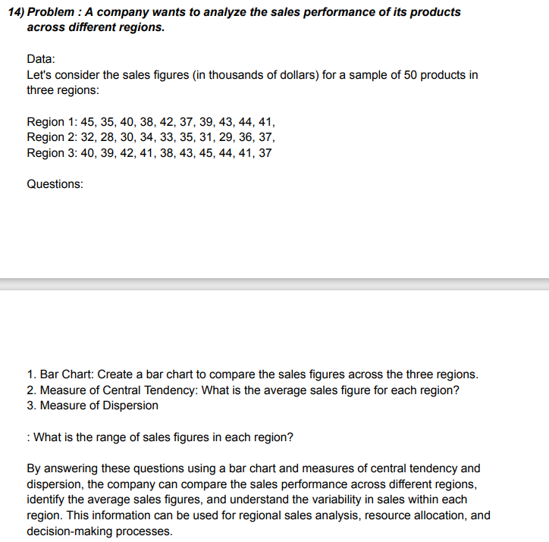
REGION'S
HISTOGRAM
 | 39.9
 | 32.5
 | 41
region 1 | region 2 | region 3
40 | 32 | 40
35 | 28 | 39
40 | 30 | 42
38 | 34 | 41
42 | 33 | 38
37 | 35 | 43
39 | 31 | 45
43 | 29 | 44
44 | 36 | 41
41 | 37 | 37

avg | avg | avg
39.9 | 32.5 | 41

S.D | S.D | S.D
2.7668674626 | 3.0276503541 | 2.5819888975

VARIANCE | VARIANCE | VARIANCE
7.6555555556 | 9.1666666667 | 6.6666666667

 |  |  |  | question - 1
 |  |  |  |  |  | Questions on Percentile and Quartiles

DATA | Let's consider the monthly salaries (in thousands of dollars) of a sample of 200 employees:

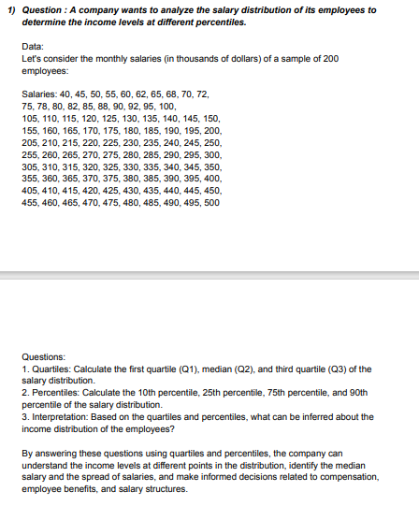
 | employees | salaries
 | emp 1 | 40
 | emp 2 | 45
 | emp 3 | 50
 | emp 4 | 55
 | emp 5 | 60
 | emp 6 | 62
 | emp 7 | 65
 | emp 8 | 68
 | emp 9 | 70
 | emp 10 | 72
 | emp 11 | 75
 | emp 12 | 78
 | emp 13 | 80
 | emp 14 | 82
 | emp 15 | 85
 | emp 16 | 88
 | emp 17 | 90
 | emp 18 | 92
 | emp 19 | 95
 | emp 20 | 100
 | emp 21 | 105
 | emp 22 | 110
 | emp 23 | 115
 | emp 24 | 120
 | emp 25 | 125
 | emp 26 | 130
 | emp 27 | 135
 | emp 28 | 140
 | emp 29 | 145
 | emp 30 | 150
 | emp 31 | 155
 | emp 32 | 160
 | emp 33 | 165
 | emp 34 | 170
 | emp 35 | 175
 | emp 36 | 180
 | emp 37 | 185
 | emp 38 | 190
 | emp 39 | 195
 | emp 40 | 200
 | emp 41 | 205
 | emp 42 | 210
 | emp 43 | 215
 | emp 44 | 220
 | emp 45 | 225
 | emp 46 | 230
 | emp 47 | 235
 | emp 48 | 240
 | emp 49 | 245
 | emp 50 | 250
 | emp 51 | 255
 | emp 52 | 260
 | emp 53 | 265
 | emp 54 | 270
 | emp 55 | 275
 | emp 56 | 280
 | emp 57 | 285
 | emp 58 | 290
 | emp 59 | 295
 | emp 60 | 300
 | emp 61 | 305
 | emp 62 | 310
 | emp 63 | 315
 | emp 64 | 320
 | emp 65 | 325
 | emp 66 | 330
 | emp 67 | 335
 | emp 68 | 340
 | emp 69 | 345
 | emp 70 | 350
 | emp 71 | 355
 | emp 72 | 360
 | emp 73 | 365 | Quartiles
 | emp 74 | 370 | QUARTILE 1 | 128.75
 | emp 75 | 375 | QUARTILE 2 | 252.5
 | emp 76 | 380 | QUARTILE 3 | 376.25
 | emp 77 | 385
 | emp 78 | 390
 | emp 79 | 395
 | emp 80 | 400 | percentiles
 | emp 81 | 405 | 10th percentile | 74.7
 | emp 82 | 410 | 25th percentile | 132.5
 | emp 83 | 415 | 75th percentile | 378.75
 | emp 84 | 420
 | emp 85 | 425
 | emp 86 | 430
 | emp 87 | 435
 | emp 88 | 440
 | emp 89 | 445
 | emp 90 | 450
 | emp 91 | 455
 | emp 92 | 460
 | emp 93 | 465
 | emp 94 | 470
 | emp 95 | 475
 | emp 96 | 480
 | emp 97 | 485
 | emp 98 | 490
 | emp 99 | 495
 | emp 100 | 500

 | AVG | 256.52
 | INTERCEPT | 111.55781917

 |  |  |  | Question - 2

DATA | Let's consider the weights (in kilograms) of a sample of 100 individuals:

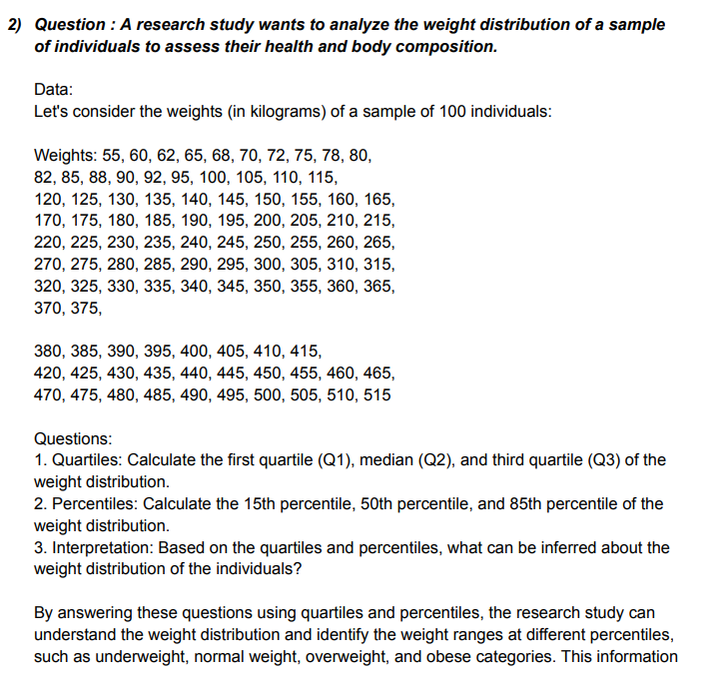
indivisual sample | weights in kg
1 | 55
2 | 60
3 | 62
4 | 65
5 | 68
6 | 70
7 | 72
8 | 75
9 | 78
10 | 80
11 | 82
12 | 85
13 | 88
14 | 90
15 | 92
16 | 95
17 | 100
18 | 105
19 | 110
20 | 115
21 | 120 |  | QURTILES | Q1 | Q2 | Q3
22 | 125 |  |  | 143.75 | 267.5 | 391.25
23 | 130
24 | 135
25 | 140 |  | PERCENTILES | 15th | 50th | 85th
26 | 145 |  |  | 94.55 | 267.5 | 440.75
27 | 150
28 | 155
29 | 160 |  |  | INTERPRETATION | 76.191555684
30 | 165
31 | 170
32 | 175
33 | 180
34 | 185
35 | 190
36 | 195
37 | 200
38 | 205
39 | 210
40 | 215
41 | 220
42 | 225
43 | 230
44 | 235
45 | 240
46 | 245
47 | 250
48 | 255
49 | 260
50 | 265
51 | 270
52 | 275
53 | 280
54 | 285
55 | 290
56 | 295
57 | 300
58 | 305
59 | 310
60 | 315
61 | 320
62 | 325
63 | 330
64 | 335
65 | 340
66 | 345
67 | 350
68 | 355
69 | 360
70 | 365
71 | 370
72 | 375
73 | 380
74 | 385
75 | 390
76 | 395
77 | 400
78 | 405
79 | 410
80 | 415
81 | 420
82 | 405
83 | 430
84 | 435
85 | 440
86 | 445
87 | 450
88 | 455
89 | 460
90 | 465
91 | 470
92 | 475
93 | 480
94 | 485
95 | 490
96 | 495
97 | 500
98 | 505
99 | 510
100 | 515

 |  |  | Question - 3

DATA | Let's consider the purchase amounts (in dollars) of a sample of 150 customers:

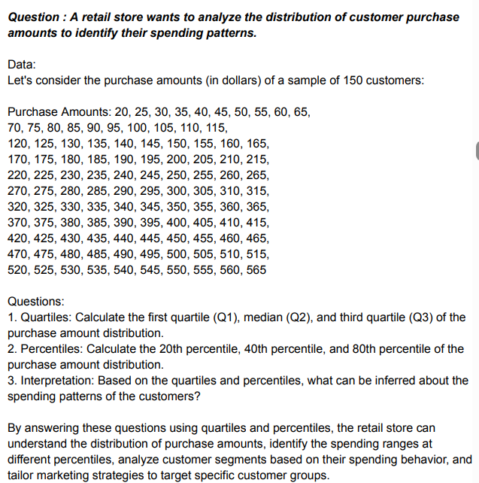
customers | purchase amount
cust 1 | 20
cust 2 | 25 |  | QUARTILES | Q1 | Q2 | Q3
cust 3 | 30 |  |  | 156.25 | 287.5 | 428.75
cust 4 | 35
cust 5 | 40
cust 6 | 45
cust 7 | 50 |  | PERCENTILES | 20th | 40th | 80th
cust 8 | 55 |  |  | 129 | 233 | 456
cust 9 | 60
cust 10 | 65
cust 11 | 70
cust 12 | 75
cust 13 | 80 |  | interpretation | 72.248931177
cust 14 | 85
cust 15 | 90
cust 16 | 95
cust 17 | 100
cust 18 | 105
cust 19 | 110
cust 20 | 115
cust 21 | 120
cust 22 | 125
cust 23 | 130
cust 24 | 135
cust 25 | 140
cust 26 | 145
cust 27 | 150
cust 28 | 155
cust 29 | 160
cust 30 | 165
cust 31 | 170
cust 32 | 175
cust 33 | 180
cust 34 | 185
cust 35 | 190
cust 36 | 195
cust 37 | 200
cust 38 | 205
cust 39 | 210
cust 40 | 215
cust 41 | 220
cust 42 | 225
cust 43 | 230
cust 44 | 235
cust 45 | 240
cust 46 | 245
cust 47 | 250
cust 48 | 255
cust 49 | 260
cust 50 | 265
cust 51 | 270
cust 52 | 275
cust 53 | 280
cust 54 | 285
cust 55 | 290
cust 56 | 295
cust 57 | 300
cust 58 | 305
cust 59 | 210
cust 60 | 315
cust 61 | 320
cust 62 | 325
cust 63 | 330
cust 64 | 335
cust 65 | 340
cust 66 | 345
cust 67 | 350
cust 68 | 355
cust 69 | 360
cust 70 | 365
cust 71 | 370
cust 72 | 375
cust 73 | 380
cust 74 | 385
cust 75 | 390
cust 76 | 395
cust 77 | 400
cust 78 | 405
cust 79 | 410
cust 80 | 415
cust 81 | 420
cust 82 | 425
cust 83 | 430
cust 84 | 435
cust 85 | 440
cust 86 | 445
cust 87 | 450
cust 88 | 455
cust 89 | 460
cust 90 | 465
cust 91 | 470
cust 92 | 475
cust 93 | 480
cust 94 | 485
cust 95 | 490
cust 96 | 495
cust 97 | 500
cust 98 | 505
cust 99 | 510
cust 100 | 515
cust 101 | 520
cust 102 | 525
cust 103 | 530
cust 104 | 535
cust 105 | 540
cust 106 | 545
cust 107 | 550
cust 108 | 555
cust 109 | 560
cust 110 | 565

 |  |  | Question - 4

DATA | Let's consider the commute times (in minutes) of a sample of 250 employees

emp | time in minutes
emp 1 | 15
emp 2 | 20
emp 3 | 25 |  | QUARTILES
emp 4 | 30 |  | Q1 | Q2 | Q3
emp 5 | 35 |  | 163.75 | 310 | 461.25
emp 6 | 40
emp 7 | 45 |  | PERCENTILES
emp 8 | 50 |  | 30th | 50th | 70th
emp 9 | 55 |  | 193.5 | 310 | 431.5
emp 10 | 60
emp 11 | 65
emp 12 | 70 |  | interpretation |  | 62.327464872
emp 13 | 75
emp 14 | 80
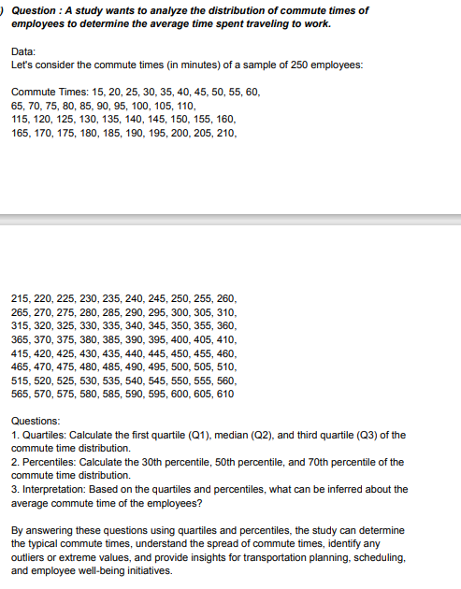
emp 15 | 85
emp 16 | 90
emp 17 | 95
emp 18 | 100
emp 19 | 105
emp 20 | 110
emp 21 | 115
emp 22 | 120
emp 23 | 125
emp 24 | 130
emp 25 | 135
emp 26 | 140
emp 27 | 145
emp 28 | 150
emp 29 | 155
emp 30 | 160
emp 31 | 165
emp 32 | 170
emp 33 | 175
emp 34 | 180
emp 35 | 185
emp 36 | 190
emp 37 | 195
emp 38 | 200
emp 39 | 205
emp 40 | 210
emp 41 | 215
emp 42 | 220
emp 43 | 225
emp 44 | 230
emp 45 | 235
emp 46 | 240
emp 47 | 245
emp 48 | 250
emp 49 | 255
emp 50 | 260
emp 51 | 265
emp 52 | 270
emp 53 | 275
emp 54 | 280
emp 55 | 285
emp 56 | 290
emp 57 | 295
emp 58 | 300
emp 59 | 305
emp 60 | 210
emp 61 | 315
emp 62 | 320
emp 63 | 325
emp 64 | 330
emp 65 | 335
emp 66 | 340
emp 67 | 345
emp 68 | 350
emp 69 | 355
emp 70 | 360
emp 71 | 365
emp 72 | 370
emp 73 | 375
emp 74 | 380
emp 75 | 385
emp 76 | 390
emp 77 | 395
emp 78 | 400
emp 79 | 405
emp 80 | 410
emp 81 | 415
emp 82 | 420
emp 83 | 425
emp 84 | 430
emp 85 | 435
emp 86 | 440
emp 87 | 445
emp 88 | 450
emp 89 | 455
emp 90 | 460
emp 91 | 465
emp 92 | 470
emp 93 | 475
emp 94 | 480
emp 95 | 485
emp 96 | 490
emp 97 | 495
emp 98 | 500
emp 99 | 505
emp 100 | 510
emp 101 | 515
emp 102 | 520
emp 103 | 525
emp 104 | 530
emp 105 | 535
emp 106 | 540
emp 107 | 545
emp 108 | 550
emp 109 | 555
emp 110 | 560
emp 111 | 565
emp 112 | 570
emp 113 | 575
emp 114 | 580
emp 115 | 585
emp 116 | 590
emp 117 | 595
emp 118 | 600
emp 119 | 605
emp 120 | 610

 |  |  |  | Question - 5

DATA | Let's consider the defect rates (in percentage) for a sample of 300 products:

products | defect rates | QUARTILES
product1 | 0.5 | Q1 | Q2 | Q3
product2 | 1 | 0.4 | 0.7 | 0.9
product3 | 0.2
product4 | 0.7
product5 | 0.3 | PERCENTILES
product6 | 0.9 | 30th | 50th | 70th
product7 | 1.2 | 0.5 | 0.7 | 0.8
product8 | 0.6
product9 | 0.4
product10 | 1.1
product11 | 0.8 | interpretation |  | 0.26315789474
product12 | 0.5
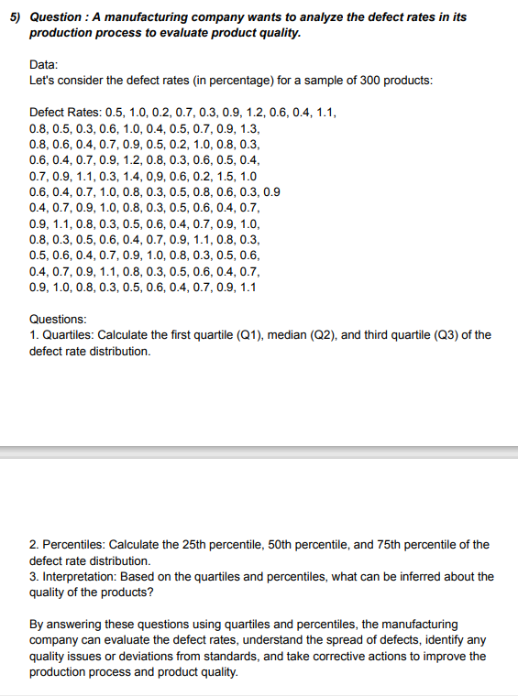
product13 | 0.3
product14 | 0.6
product15 | 1
product16 | 0.4
product17 | 0.5
product18 | 0.7
product19 | 0.9
product20 | 1.3
product21 | 0.8
product22 | 0.6
product23 | 0.4
product24 | 0.7
product25 | 0.9
product26 | 0.5
product27 | 0.2
product28 | 1
product29 | 0.8
product30 | 0.3
product31 | 0.6
product32 | 0.4
product33 | 0.7
product34 | 0.9
product35 | 1.2
product36 | 0.8
product37 | 0.3
product38 | 0.6
product39 | 0.5
product40 | 0.4
product41 | 0.7
product42 | 0.9
product43 | 1.1
product44 | 0.3
product45 | 1.4
product46 | 0.9
product47 | 0.6
product48 | 0.2
product49 | 1.5
product50 | 1
product51 | 0.6
product52 | 0.4
product53 | 0.7
product54 | 1
product55 | 0.8
product56 | 0.3
product57 | 0.5
product58 | 0,8
product59 | 0.6
product60 | 0.3
product61 | 0.9
product62 | 0.4
product63 | 0.7
product64 | 0.9
product65 | 1
product66 | 0.8
product67 | 0.3
product68 | 0.5
product69 | 0.6
product70 | 0.4
product71 | 0.7
product72 | 0.9
product73 | 1.1
product74 | 0.8
product75 | 0.3
product76 | 0.5
product77 | 0.6
product78 | 0.4
product79 | 0.7
product80 | 0.9
product81 | 1
product82 | 0.8
product83 | 0.3
product84 | 0.5
product85 | 0.6
product86 | 0.4
product87 | 0.7
product88 | 0.9
product89 | 1.1
product90 | 0.8
product91 | 0.3
product92 | 0.5
product93 | 0.6
product94 | 0.4
product95 | 0.7
product96 | 0.9
product97 | 1
product98 | 0.8
product99 | 0.3
product100 | 0.5
product101 | 0.6
product102 | 0.4
product103 | 0.7
product104 | 0.9
product105 | 1.1
product106 | 0.8
product107 | 0.3
product108 | 0.5
product109 | 0.6
product110 | 0.4
product111 | 0.7
product112 | 0.9
product113 | 1
product114 | 0.8
product115 | 0.3
product116 | 0.5
product117 | 0.6
product118 | 0.4
product119 | 0.7
product120 | 0.9
product121 | 1.1

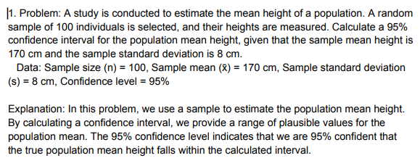
 |  |  |  | QUEstion-1 |  |  |  |  |  | Questions on Confidence Interval
 |  |  |  |  |  | Questions on Confidence Interval

 | (x̄) sample mean | 170
 | sample st.d (s) | 8
 | Sample size (n) | 100
 | Confidence level | 0.95
 | z-value | 1.96

 | α | 0.05

 | margin of error | 1.5679711876

 | lower value | 168.43202881
 | upper value | 171.56797119

 |  |  |  | 95% confident that the true population mean height falls within the calculated interval(168.432 -- 171.5667)

 |  |  | Question- 2

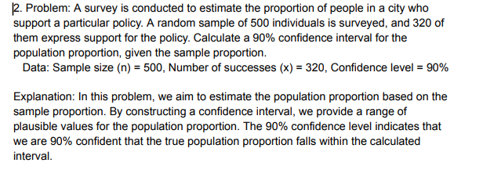

 |  | alpha (α) | 0.1
 |  | CONFIDECE INT | 0.9
 |  | x | 320
 |  | p^ | 0.64
 |  | q^ | 0.36
 |  | z value | 1.645
 |  | n | 500
 |  | MARGIN ERROR | 0.03530884342

 | lower boundry | <p< | upper boundry
 | 0.605 |  | 0.675

 |  |  |  | ANS= 90% confident that the true population proportion falls within the calculated interval (0.605-0.675)

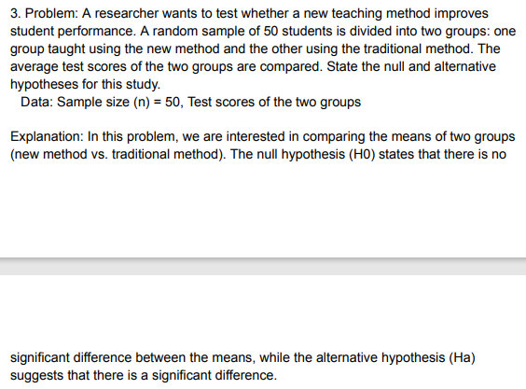
 | method 1 | method 2
 | 50 | 58
 | 60 | 60 |  | Question - 1 |  |  |  | Questions on Confidence hypothesis
 | 58 | 58 |  |  |  | Questions on Confidence hypothesis
 | 78 | 78
 | 64 | 64
 | 98 | 54
 | 37 | 37
 | 87 | 43 | t-Test: Two-Sample Assuming Unequal Variances
 | 76 | 32
 | 45 | 23 | Column1 | Variable 1 | Variable 2
 | 65 | 20 | Mean | 61.76 | 56.04 |  |  |  | method-1 |  | method-2
 | 57 | 75 | Variance | 359.10666667 | 375.87333333 |  |  | avg | 61.76 |  | 56.04
 | 85 | 49 | Observations | 25 | 25
 | 50 | 98 | Hypothesized Mean Difference | 0 |  |  |  | var | 359.10666667 |  | 375.87333333
 | 72 | 56 | df | 48
 | 70 | 70
 | 61 | 57 |  | t Stat | 1.0549412454
 | 43 | 54 |  | P(T<=t) one-tail | 0.14836670118
 | 23 | 50 |  | t Critical one-tail | 1.6772241961
 | 43 | 43 |  | P(T<=t) two-tail | 0.29673340236
 | 93 | 93 |  | t Critical two-tail | 2.0106347576
 | 82 | 82
 | 48 | 48
 | 40 | 40
 | 59 | 59

 |  | P(T<=t) two-tail |  | in this case p two- tail = 0.296 |  |  | This is much larger than alpha = 0.05, so we fail to reject the null hypothesis

 |  | t Critical two-tail: |  | in this case t critical two-tail =2.010 and this is larger than t stat value , so we fail to reject thenull hypothesis

 |  | ) | Question-2

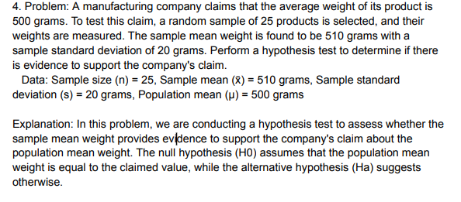

 | n | 25
 | x bar | 510
 | s | 20
 | μ | 500
 | t value | 2.5

 | degree of free | (n-1=25-1)=24
 | S.L | 0.05

 | CRI VALUES | (-2.064 , 2.064)

 |  |  | Since our calculated t-value of 2.5 is greater than 2.064, we can reject the null hypothesis at a significance level of 0.05.

